1. Title Page
[Instacart Online Grocery Analysis
]

Project Name: Instacart Online Grocery Analysis
Date: 05/22/2023
Analyst Name: Corina G

Contents:
Population Flow
Consistency checks
Wrangling steps
Column derivations
Visualizations
Recommendations

Data Citation:
Customer data, as well as the "prices" data, were both fabricated for the purpose of this project.
“The Instacart Online Grocery Shopping Dataset 2017”, Accessed from www.instacart.com/datasets/grocery-shopping-2017 via Kaggle on May 21 2023

2. Population Flow
Title page

Population flow

Exclusion flag
Condition: max_order < 5
Obervations to be removed: 1440295 observations
Final total count of order_products_all: 30964564 rows

Orders_products_combined
Orders_products_merged
Orders_products_all

Total: 32404859
Total: 3243489
Total: 32404859

1.) The grey boxes in the first row of the population flow represent the original data sets as they were when you downloaded them. In the Total fields you need to add the count of the rows when you imported the data set into Jupyter.
2.) The second row of boxes (coloured) represents the data sets after you manipulated them, e.g., removed missing values and duplicates. In the Total fields you need to add the count of the rows after conducting these operations. This offers a visual oveview of how the data flows throughout the data consistency checks.
3.) The third row, where also the arrows are coloured, represents the merges you performed between the datasets. In the Total fields you need to add the count of the rows in the merged datasets, so that you end up with the final dataset (in the red box). Keep in mind the final dataset should be without exclusions (based on the exclusion flag).

3. Consistency checks
 |  |  |  | Title page
Consistency checks

Dataset | Missing values | Missing values treatment | Duplicates
orders | 206209 missing values in 'days since prior order' | No change. These indicate a new customer | No Duplicates
products | 16 in 'product_name' | dropped from column | 5 duplicates dropped
orders_products_prior | No missing values |  | No Duplicates
customers | No missing values |  | No Duplicates

4. Wrangling steps
 |  |  |  | Title page
Wrangling steps

Columns dropped | Columns renamed | Columns' type changed | Comment/Reason
orders.eval_set |  |  | Data not relevant to analysis
 | orders_dow to 'orders_day_of_week
 |  | user_id | Changed from integer to string
 |  | order_id | Changed from integer to string
customer.First Name | first name |  | Data not relevant to analysis & PII
customer.Surnam | surname |  | Data not relevant to analysis & PII
 | family status |  | Data not relevant to analysis & PII
 | Customer[('STATE':'state'), ('Gender':'gender'), ('Age':'age'), ('n_dependants':'number_dependants')] |  | Renamed for consistency reasons

 | Unnamed: 0 |  | Renamed department_id

5. Column derivations
 |  |  |  | Title page

Column derivations and aggregations

In this tab you should add tables below that the frequences of flags/label variables that you produced after deriving them. NB: don't do this for continuous variables, only for flags.
Dataset | New column | Column/s it was derived from | Conditions
ords_prods_merged | price_range | prices | if prices <= 5, Low-range product if prices > 5 & prices <= 15, Mid-range product if prices > 15, High-range product
ords_prods_merged | busiest_day | orders_day_of_week | if orders_day_of_week = 0, Busiest day if orders_day_of_week = 4, Least Busy else Regularly Busy
ords_prods_merged | busiests days | orders_day_of_week | if order_day_of_week = 0 & 1, Busiest day if order_day_of_week = 4 & 3, Least Busy else Regularly Busy
ords_prods_merged | busiest_period_of_day | order_hour_of_day | for value in df_ords_prods_merged ['order_hour_of_day']: if value in [10,11,14,15,13,12,16,9]:results2.append("Most orders") elif value in [23, 6, 0, 1, 5, 2, 4, 3]: result2.append("Fewest orders") else:result2.append("Average orders")
ords_prods_merged | loyalty_flag | max_order | ['max_order'] > 40, 'loyalty_flag'] = 'Loyal customer' ['max_order'] <= 40) & (df_ords_merged['max_order'] > 10), 'loyalty_flag'] = 'Regular customer' ['max_order'] <= 10, 'loyalty_flag'] = 'New customer'
ords_prods_merged | spending_flag | average_price | ['average_price'] < 10, 'spending_flag'] = 'Low spender'
 |  |  | ['average_price'] >= 10, 'spending_flag'] = 'High spender'
ords_prods_merged | frequency | median of days_since_prior_order | [median of days_since_prior_order] > 20, 'order_frequency_flag'] = 'Non-frequent customer'
 |  |  | [median of days_since_prior_order] > 10) & (ords_prods_merged['median of days_since_prior_order'] <= 20), 'order_frequency_flag'] = 'Regular customer'
 |  |  | ['median of days_since_prior_order'] <= 10, 'order_frequency_flag'] = 'Frequent customer'
customers_ords_prods_merged | region | state | region = [] for value in df['state']: if (value == 'Maine') or (value == 'New Hampshire') or (value == 'Vermont') or (value == 'Massachusetts') or (value == 'Rhode Island') or (value == 'Connecticut') or (value == 'New York') or (value == 'Pennsylvania') or (value =='New Jersey'): region.append('Northeast') elif (value == 'Wisconsin') or (value == 'Michigan') or (value == 'Illinois') or (value == 'Indiana') or (value == 'Ohio') or (value == 'North Dakota') or (value == 'South Dakota') or (value == 'Nebraska') or (value == 'Kansas') or (value == 'Minnesota') or (value == 'Iowa') or (value == 'Missouri'): region.append('Midwest') elif (value == 'Idaho') or (value == 'Montana') or (value == 'Wyoming') or (value == 'Nevada') or (value == 'Utah') or (value == 'Colorado') or (value == 'Arizona') or (value == 'New Mexico') or (value == 'Alaska') or (value == 'Washington') or (value == 'Oregon') or (value == 'California') or (value == 'Hawaii'): region.append('West') else: region.append('South')
customers_ords_prods_merged | low_order_flag | max_order | ['max_order'] < 5, 'low_order_flag'] = 'Low order customer' ['max_order'] >= 5, 'low_order_flag'] = 'High order customer'
 | age_profile | age | [(df['age'] <= 40), 'age_profile'] = '18-40' [(df['age'] > 40) & (df['age'] <= 65), 'age_profile'] = '41-65' [(df['age'] > 65), 'age_profile'] = '65+'
 | income_profile | income | ['income'] <= 50000), 'income_profile'] = '<=50k' ['income'] > 50000) & (df_all['income'] <= 150000), 'income_profile'] = '50k - 150k' ['income'] > 150000), 'income_profile'] = '150k+'
 | family_profile | number_of_dependants | df.loc[(df['number_of_dependants'] == 0), 'family_profile'] = 'Single Adult' df.loc[(df['number_of_dependants'] != 0), 'family_profile'] = 'Family' df['family_profile'].value_counts(dropna = False)

6. Visualizations
 |  |  | Title page

Visualisations

In this tab you should include all the visualtions from Exercises 4.9 and 4.10, alongside the questions from the project brief that they answer. Include any commentary on the relationship between different variables.

Key Questions

1. What are the busiest days of the week and hours of the day, (i.e., the days and times with the most orders) in order to schedule ads at times


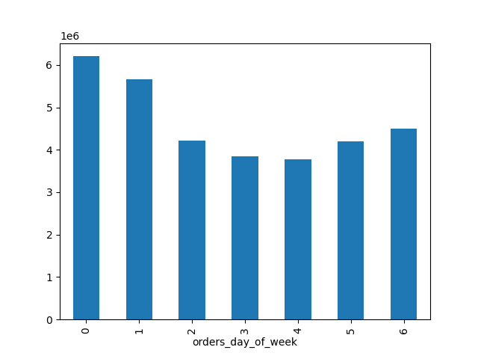

 | The busiest days of the week is Saturday and Sunday and the busiest hours are from 10 to 11 am

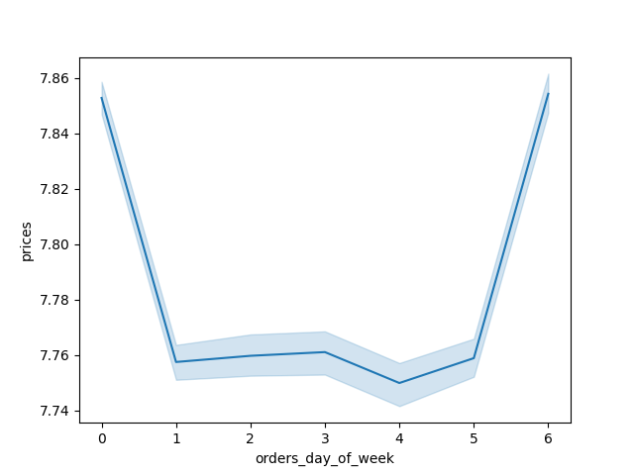
2. At what time of day do customers spend the most money?
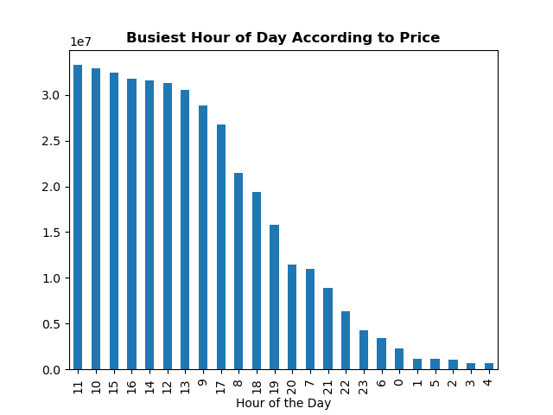

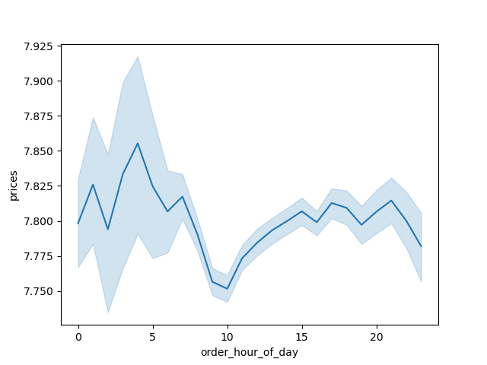

The busiest hour according to price is 11 am. |  | Line chart showing the mean price per item on orders placed each day. |  | The peak for the highest priced itemss is around 4 pm but the first graph shows that the most money spent is, in fact, at 11 am.
 |  | - The highest average price per item is on Saturday and Friday.

3. What are the price range groupings for Instacart products?

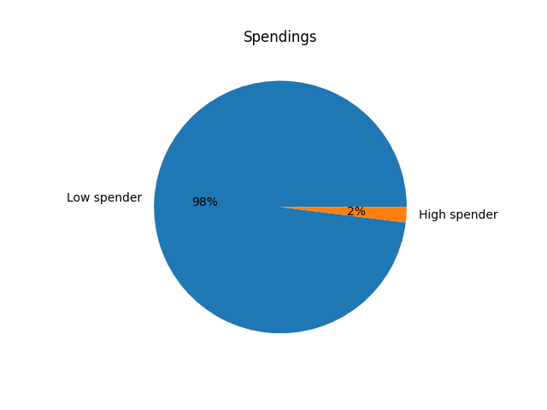

The vast majority is held by the low spenders.

4. Are certain types of products more popular than others? Which departments have the highest frequency of product orders?

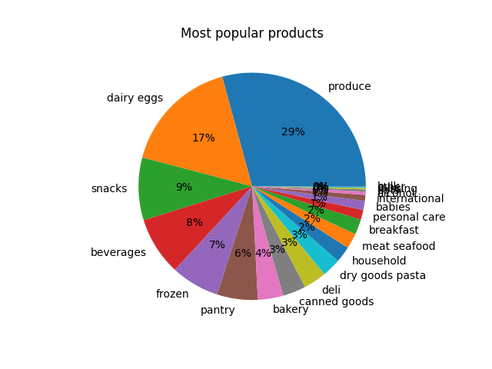

The produce department is on top followed by the dairy eggs, snacks and beverages.

5. The marketing and sales teams are particularly interested in the different types of
customers in their system and how their ordering behaviors differ.

5a. What’s the distribution among users in regards to their brand loyalty (i.e., how often do they return to Instacart)?


Regular customers are on top.

5b. What are the differences in ordering habits based on a customer’s loyalty status?

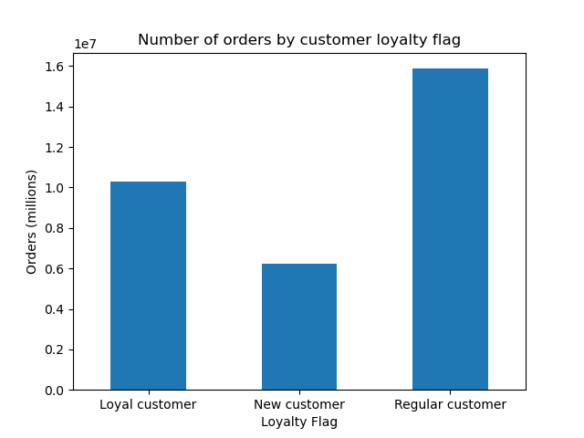

Regular customers have the most orders.

5c. What are the differences in ordering habits based on a customer’s region?
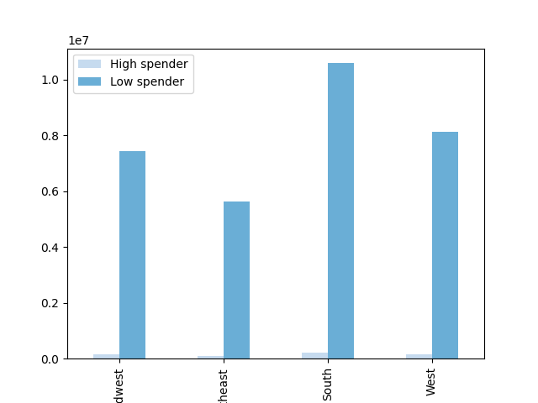

The most orders are in the South region followed by the West.

5d. Is there a connection between age and family status in terms of ordering habits?
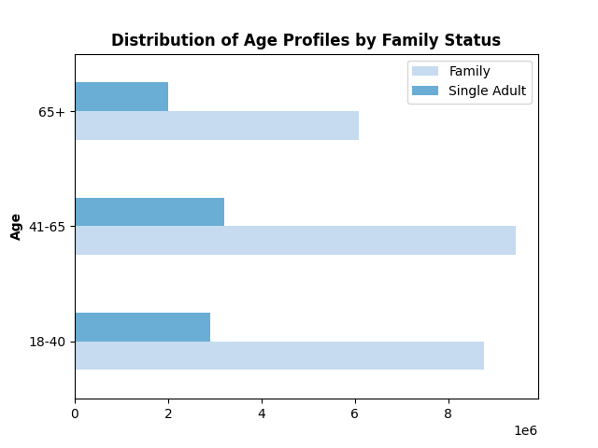

 |  | The group age 41-65 is representend by familes who are also the ones who buy the most.

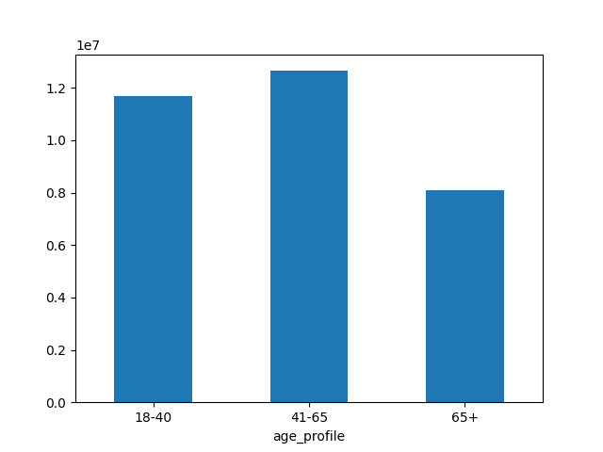
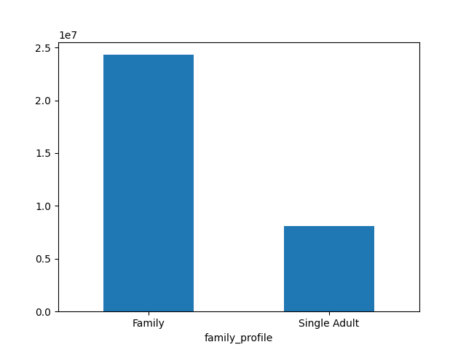

5e. What different classifications does the demographic information suggest? Age? Income? Certain types of goods? Family status?
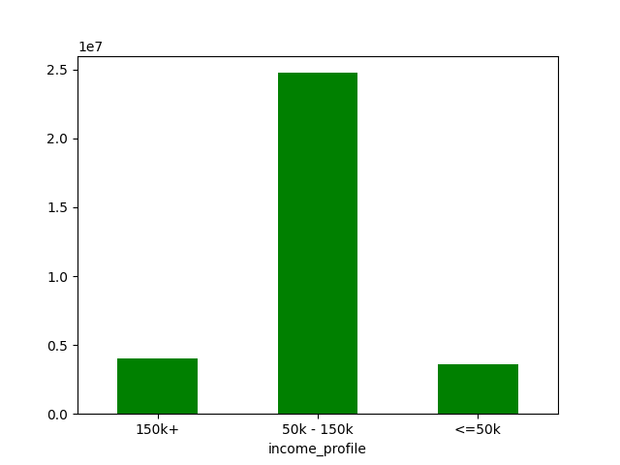
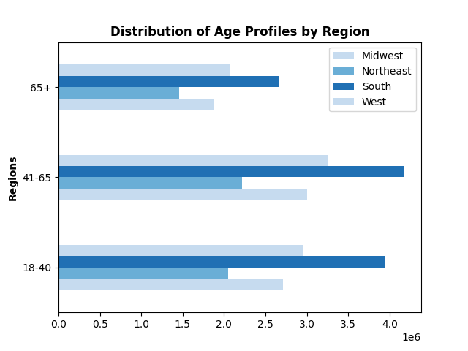

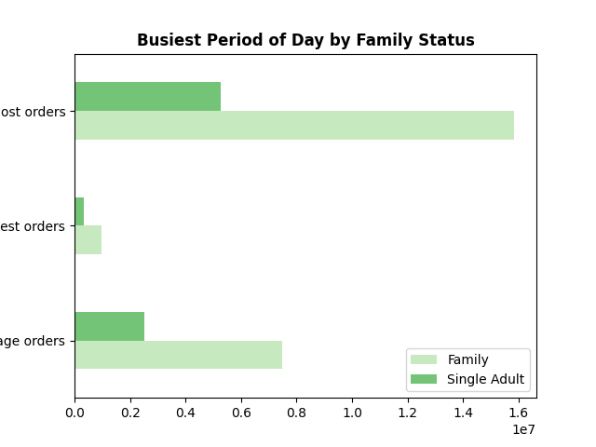
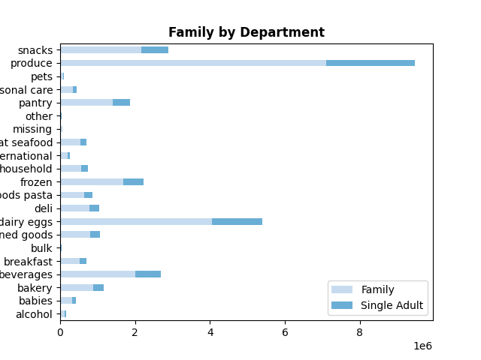

The demographics suggest that most of the orders are made by families, the age group 41-65 and are in the produce, dairy eggs, snacks and beverages department.
Most of the orders for the age group 41-65 occur in South.
The income of people who buy the most is between 50 and 150k.
Also, there are 11 days between the orders.

5f. What differences can you find in ordering habits of different customer profiles?
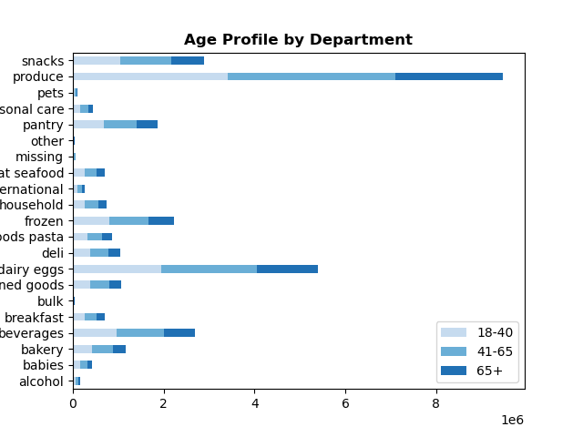

Most of the families shop on Saturday and the busiest time is at 11 am.
Withing the produce departments, families purchase the most.

7. Recommendations
 |  |  |  |  |  |  |  |  |  |  | Title page

Recommendations

In this tab you should include any recommendations you would made to Instcart in terms of their marketing strategy based on the questions posed in the brief. Every key question has been covered in the Tasks of the Exercises - here you need to add an item - a visualisation or table/crosstable that is showing the answer in the data, acompanied by a comment from you. Please, list the questions below and add the answer underneath.

Question | Answer |  | Recommendations
Key Question 1 : The sales team needs to know what the busiest days of the week and hours of the day are (i.e., the days and times with the most orders) in order to schedule ads at times when there are fewer orders. | The busiest days of the week is Saturday and Sunday and the busiest hours are from 10 to 11 am |  | The sales team should schedule ads on Tuesday and Wednesdays after 3pm to encourage customers to place orders after this slower hour.
Key Question 2: They also want to know whether there are particular times of the day when people spend the most money, as this might inform the type of products they advertise at these times. | The busiest hour according to price is 11 am. The peak for the highest priced itemss is around 4 pm but the analysis shows that the most money spent is, in fact, at 11 am. |  | Although the peak for the highest priced items is around 4 pm that doesn't mean that the most money is spent at that time. The most money spent is, in fact, at 11 am. The sales team could split the add time with the most expensive items advertised around 4 pm and the 'deals' from the regular priced item at 11 am.
Key Question 3: Instacart has a lot of products with different price tags. Marketing and sales want to use simpler price range groupings to help direct their efforts. | The vast majority is held by the low spenders. |  | Marketing can advertise the highest priced items to the 2% higher spenders and the other products to the rest of the customers.
Key Question 4: Are there certain types of products that are more popular than others? The marketing and sales teams want to know which departments have the highest frequency of product orders. | The produce department is on top followed by the dairy eggs, snacks and beverages. |  | Revenue can be increased by adds in the departments that have lower frequency of orders, such as babies and personal care. The most expensive from this categories, especially in the personal care department, can be advertised to the 2% higher spenders.
Key Question 5: What’s the distribution among users in regards to their brand loyalty (i.e., how often do they return to Instacart)? | Regular customers are on top and have the most orders. The most orders are in the South region followed by the West. The group age 41-65 is representend by familes who are also the ones who buy the most. |  | More new customers (especially families since most of instacart customers are families) can be attracted by offering a first time substantial discount especially in the regions that are at the bottom in terms of spendings and fidelizing the regular customer by offering them various promotions. The loyal customers could get an annual gift or a small discrease in their membership. Adds for items in the produce departments can be addvertised for all the age groups and incomes since this department has the highest sales across all customers profiles.
Key Question 6: Are there differences in ordering habits based on a customer’s loyalty status? | The demographics suggest that most of the orders are made by families, the age group 41-65 and are in the produce, dairy eggs, snacks and beverages department.
 | Most of the orders for the age group 41-65 occur in South.
 | The income of people who buy the most is between 50 and 150k.
 | Also, there are 11 days between the orders.
Key Question 7:Are there differences in ordering habits based on a customer's region? | Most of the families shop on Saturday and the busiest time is at 11 am.
 | Withing the produce departments, families purchase the most.
 | Within the produce department, the customers who earn between 50 and 150 k spend the most.

 | Families spend more than single adults:
 | family_profile | prices
 |  | sum
 | Family | 290,000,944.50
 | Single Adult | 98,216,578.10

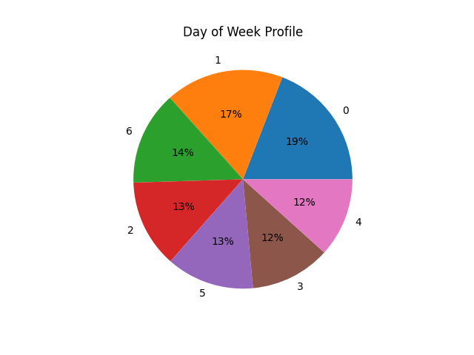
 |  |  |  | 0 | 1 | 2 | 3 | 4 | 5 | 6
 |  |  |  | Saturday | Sunday | Monday | Tuesday | Wednesday | Thursday | Friday

